Bug report
ID | Title | Description | Steps to reproduce | Reproducibility | Severity | Priority | Exp. Result | Actual Result | Attachment | Reason
1 | text isn't displayed in the calculator interface | text isn't displayed in the calculator interface Req. 15, 16, 17 | 1. open calc.exe 2. click on "?????" 3. click on "? ?????????" | always | medium | normal | interface on Russian language | question marks instead of Russian letters | 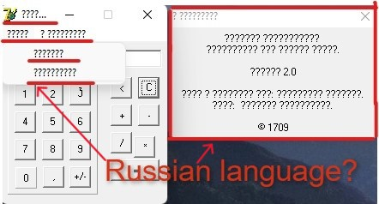 | variance from spec
2 | "5" entered like "55" | "5" entered like "55" | 1. click on "5" button | always | critical | ASAP | 1. "5" is displayed in i/o field | 1. "55" is displayed in i/o field |  | incorrect operation, unexpected behavior
3 | "6" entered like "9" | "6" entered like "9" | 1. click on "6" button | always | critical | high | 1. "6" is displayed in i/o field | 1. "9" is displayed in i/o field |  | incorrect operation
4 | "9" entered like "6" | "9" entered like "6" | 1. click on "9" button | always | critical | high | 1. "9" is displayed in i/o field | 1. "6" is displayed in i/o field |  | incorrect operation
5 | button "8" disappears after clicking | button "8" disappears after clicking | 1. click on "8" button | always | critical | ASAP | 1. "8" is displayed in i/o field, the button remains | 1. "8" is displayed in i/o field, the button disappears | gif: https://drive.google.com/file/d/1lIM0aEoU_6AlXSdevoPa9K6jvh93RU1B/view?usp=sharing | incorrect operation
6 | button "0" color turns blue | button "0" color turns blue on click | 1. click on "0" button | always | minor | normal | 1. "0" button is grey. Button colour not change after clicking | 1. "0" button is blue | 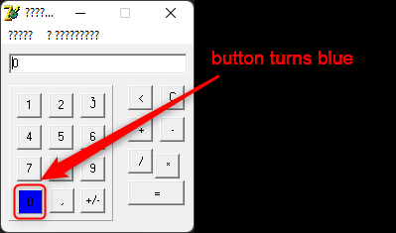 | cosmetic flaw, variance from spec
7 | no display of actions performed | the user does not see what has been done when making a calculation Req. 5 | 1. Click on "2", "+", "2" | always | minor | normal | 1."2+2" is displayed in the input/output field | 1. "2" is displayed |  | unexpected behavior
8 | the value of the arithmetic buttons after clicking does not appear in the i/o field | the value of the arithmetic buttons after clicking does not appear in the i/o field Req. 5 | 1. Click on "2", "+" 2. click on button "C" 3. click on "3", "-" 4. click on button "C" 5. click on "3", "*" 6. click on button "C" 7. click on "6", "/" | always | minor | normal | 1. "3+" is displayed in the input/output field 3. "3-" is displayed in the input/output field 5. "3*" is displayed in the input/output field 7. "6/" is displayed in the input/output field | nothing is displayed in i/o field |  | unexpected behavior
9 | empty default i/o field | empty default i/o field Req. 8 | 1. open calc.exe | always | minor | normal | "0" is displayed in the input/output field | nothing is displayed in i/o field |  | variance from spec
10 | operation with decimal number leads to error | operation with decimal number leads to error | 1. enter "0.4","-" | always | major | high | "0.4-" is displayed in the i/o field | error appears | gif: https://drive.google.com/file/d/1IFri3LCI0cdXH2wbI2zLNS-zFSf6tX9z/view?usp=sharing | unexpected behavior
11 | incorrect count subtraction with 2 20-digit numbers | incorrect count subtraction with 2 20-digit numbers | 1. Enter "12345597860123455760", "-", "11223344559977660011" 2. click on button "=" | always | major | normal | 1. "12345597860123455760-11223344559977660011" is displayed in the i/o field 2. "1.1222533e+18" is displayed in the i/o field | 2. "1.1222340412569E18" is displayed in the i/o field |  | incorrect operation
12 | blank click error | clicking on an empty digit space gives an error | 1. click on empty space | always | major | normal | 1. nothing happens | 1. error appears | 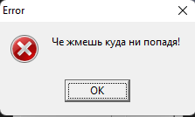 | unexpected behavior
13 | clicking 3 times on an empty digit space gives an error and application is quit | clicking 3 times on an empty digit space gives an error and application is quit | 1. click on empty space 3 times | always | critical | normal | 1. nothing happens | 1. error occurs and the application is quit | 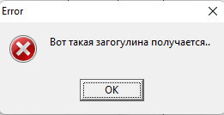 | system crash
14 | layout error button "*" | position of the "*" button | 1. open calc.exe | always | minor | normal | 1. same position with other ariphmetical buttons | 1. is below necessery position with other ariphmetical buttons |  | cosmetic flaw
15 | instead of "x2" button a fox is displayed | instead of "x2" button a fox is displayed | 1. click the button "?????" in the top menu 2. click the button "???????" in the drop-down menu | always | minor | high | 1. "x2" button | 1. Fox button | 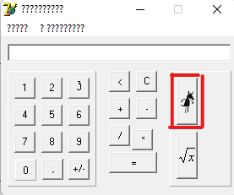 | cosmetic flaw
16 | application is quit by blank click in scientific mode near with "fox" and "√x" | application is quit by blank click in scientific mode near with "fox" and "√x" | "1. click the button ""?????"" in the top menu 2. click the button ""???????"" in the drop-down menu" 3. click on "6", "5" 4. click on "fox" 5. click near (about 2 pixels rifght ) "fox" and "√x" | always | critical | high | 3. "955" in i/o field is displayed 4. "912025" in i/o field is displayed 5. "912025" in i/o field is displayed | 3. "955" in i/o field is displayed 4. "912025" in i/o field is displayed 5. application is quit | gif: https://drive.google.com/file/d/1nKhcM6CY8Gsig66TokMbzA3uNpjJb2F5/view?usp=sharing | system crash
17 | image of fox opens after calculating a square | image of fox opens after calculating a square | "1. click the button ""?????"" in the top menu 2. click the button ""???????"" in the drop-down menu" 3. click on "3" 4. click on "fox" | sometimes | minor | normal | 4. "9" is displayed in i/o field | 4. i/o field is empty and image is appear |  | unfriendly behaviour

